VLOOKUP+Validation
Enter MobileNo | MobileNo
 | 9191460297
 | 9386238025
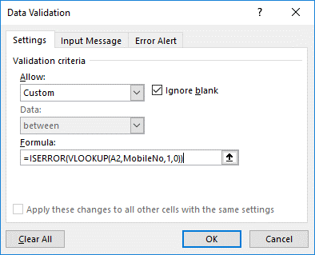
 | 9377999644
 | 9609052168
 | 9185518606
 | 9361353531
 | 9282670471
 | 9467756937
 | 9774224449
 | 9993386808
 | 8959563702
 | 9679402407

